TC001_DWH_Order
1] data structure validation

Tc001_DWH_Order data structure validation

Source | Target
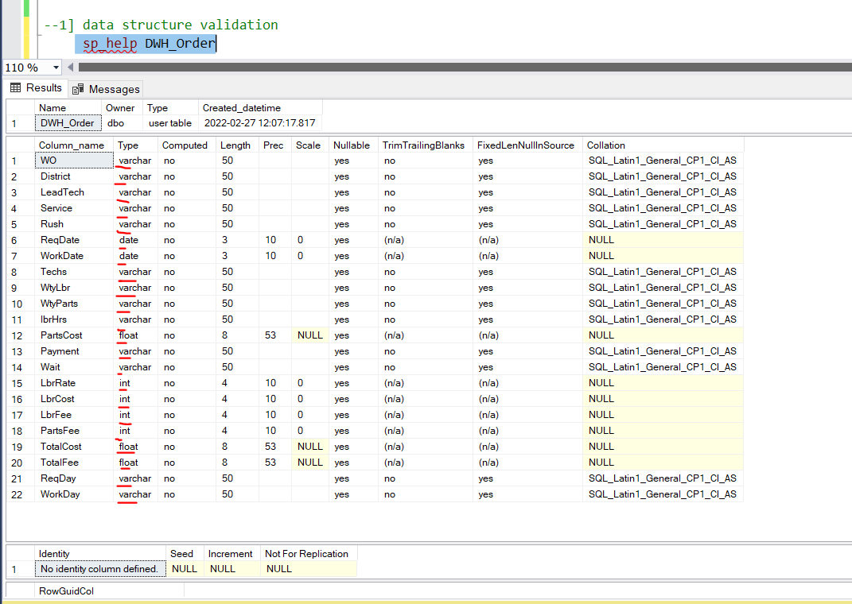
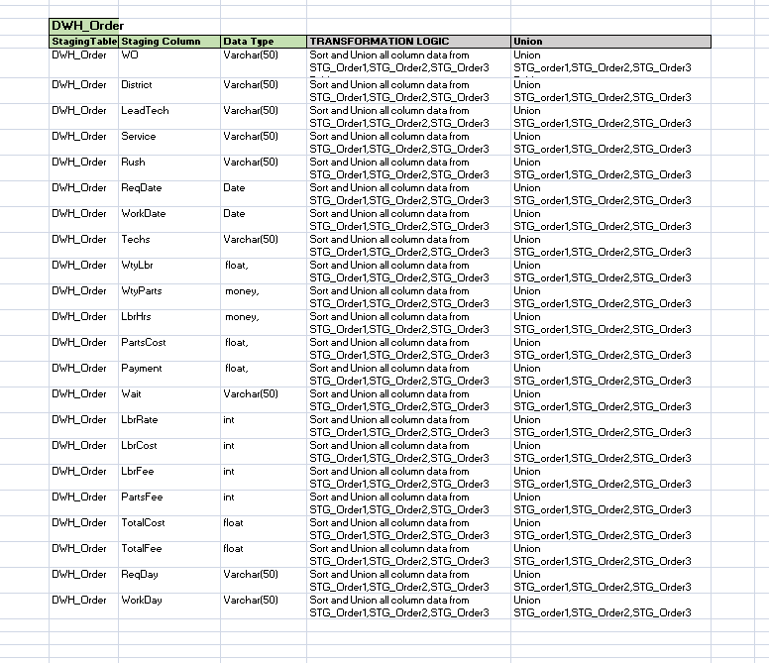

Observation:: source table structure and Target table structure exactly same ..

Tc002_DWH_Order
2]count validation

TC002_DWH_Order count validation

 |  |  |  |  |  |  |  |  |  |  |  |  |  |  |  |  |  |  |  |  |  |  | Target

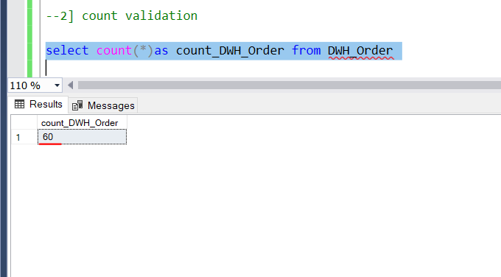
WO | District | LeadTech | Service | Rush | ReqDate | WorkDate | Techs | WtyLbr | WtyParts | LbrHrs | PartsCost | Payment | Wait | LbrRate | LbrCost | LbrFee | PartsFee | TotalCost | TotalFee | ReqDay | WorkDay | source table count
A00100 | North | Khan | Assess |  | 1-Sep-20 | 15-Sep-20 | 2 |  |  | 0.5 | 360 | Account | 14 | 140 | 70 | 70 | 360 | 430 | 430 | Tue | Tue | 60
A00101 | South | Lopez | Replace |  | 1-Sep-20 | 4-Sep-20 | 1 |  |  | 0.5 | 90.04 | Account | 3 | 80 | 40 | 40 | 90.04 | 130.04 | 130.04 | Tue | Fri
A00102 | Central | Cartier | Deliver |  | 1-Sep-20 | 17-Sep-20 | 1 |  |  | 0.25 | 120 | P.O. | 16 | 80 | 20 | 20 | 120 | 140 | 140 | Tue | Thu
A00103 | South | Lopez | Deliver |  | 1-Sep-20 | 17-Sep-20 | 1 |  |  | 0.25 | 16.25 | Account | 16 | 80 | 20 | 20 | 16.25 | 36.25 | 36.25 | Tue | Thu
A00104 | Northwest | Cartier | Deliver | Yes | 1-Sep-20 | 17-Sep-20 | 1 |  |  | 0.25 | 45.24 | Account | 16 | 80 | 20 | 20 | 45.24 | 65.24 | 65.24 | Tue | Thu
A00105 | South | Lopez | Assess |  | 1-Sep-20 | 15-Sep-20 | 1 |  |  | 0.25 | 97.63 | Account | 14 | 80 | 20 | 20 | 97.63 | 117.63 | 117.63 | Tue | Tue
A00106 | Central | Cartier | Assess |  | 2-Sep-20 | 16-Sep-20 | 2 |  |  | 0.25 | 29.13 | Account | 14 | 140 | 35 | 35 | 29.13 | 64.13 | 64.13 | Wed | Wed
A00107 | South | Lopez | Replace |  | 2-Sep-20 | 2-Oct-20 | 1 |  |  | 0.75 | 35.1 | Account | 30 | 80 | 60 | 60 | 35.1 | 95.1 | 95.1 | Wed | Fri
A00108 | Northwest | Burton | Deliver |  | 2-Sep-20 | 1-Oct-20 | 1 |  |  | 0.25 | 76.7 | C.O.D. | 29 | 80 | 20 | 20 | 76.7 | 96.7 | 96.7 | Wed | Thu
A00109 | Central | Khan | Repair | Yes | 2-Sep-20 | 6-Oct-20 | 1 |  |  | 1.5 | 374.08 | C.O.D. | 34 | 80 | 120 | 120 | 374.08 | 494.08 | 494.08 | Wed | Tue
A00110 | West | Burton | Replace |  | 2-Sep-20 | 8-Dec-20 | 2 |  |  | 4.75 | 832.16 | Account | 97 | 140 | 665 | 665 | 832.16 | 1,497.16 | 1,497.16 | Wed | Tue
A00111 | South | Lopez | Deliver | Yes | 3-Sep-20 | 23-Sep-20 | 1 |  |  | 0.25 | 70.21 | Account | 20 | 80 | 20 | 20 | 70.21 | 90.21 | 90.21 | Thu | Wed
A00112 | West | Burton | Assess |  | 4-Sep-20 | 30-Sep-20 | 1 |  |  | 0.5 | 150 | P.O. | 26 | 80 | 40 | 40 | 150 | 190 | 190 | Fri | Wed
A00113 | Central | Michner | Assess |  | 4-Sep-20 | 24-Oct-20 | 2 |  |  | 1.5 | 275 | C.O.D. | 50 | 140 | 210 | 210 | 275 | 485 | 485 | Fri | Sat
A00114 | Northwest | Khan | Replace | Yes | 4-Sep-20 | 10-Nov-20 | 1 |  |  | 0.75 | 938 | C.O.D. | 67 | 80 | 60 | 60 | 938 | 998 | 998 | Fri | Tue
A00115 | South | Lopez | Assess |  | 5-Sep-20 | 21-Sep-20 | 1 |  |  | 0.25 | 61.25 | Account | 16 | 80 | 20 | 20 | 61.25 | 81.25 | 81.25 | Sat | Mon
A00116 | West | Burton | Assess |  | 5-Sep-20 | 22-Sep-20 | 1 |  |  | 1.5 | 48 | C.O.D. | 17 | 80 | 120 | 120 | 48 | 168 | 168 | Sat | Tue
A00117 | Northwest | Burton | Assess |  | 7-Sep-20 | 10-Sep-20 | 2 |  |  | 0.25 | 204.28 | Account | 3 | 140 | 35 | 35 | 204.28 | 239.28 | 239.28 | Mon | Thu
A00118 | Northwest | Cartier | Replace |  | 8-Sep-20 | 15-Sep-20 | 2 |  |  | 0.5 | 240 | Account | 7 | 140 | 70 | 70 | 240 | 310 | 310 | Tue | Tue
A00119 | Southeast | Khan | Replace |  | 8-Sep-20 | 17-Sep-20 | 2 |  |  | 0.5 | 120 | Account | 9 | 140 | 70 | 70 | 120 | 190 | 190 | Tue | Thu
A00120 | Central | Cartier | Repair |  | 8-Sep-20 | 21-Sep-20 | 1 |  |  | 1.75 | 475.00 | Account | 13 | 80 | 140.00 | 140.00 | 475.00 | 615.00 | 615.00 | Tue | Mon
A00121 | Southeast | Khan | Replace |  | 8-Sep-20 | 22-Sep-20 | 1 |  |  | 1.75 | 341.00 | C.O.D. | 14 | 80 | 140.00 | 140.00 | 341.00 | 481.00 | 481.00 | Tue | Tue
A00122 | Northwest | Khan | Assess |  | 8-Sep-20 | 28-Oct-20 | 1 |  |  | 0.75 | 61.18 | C.O.D. | 50 | 80 | 60.00 | 60.00 | 61.18 | 121.18 | 121.18 | Tue | Wed
A00123 | South | Lopez | Replace |  | 8-Sep-20 | 17-Nov-20 | 1 |  |  | 0.50 | 155.39 | Account | 70 | 80 | 40.00 | 40.00 | 155.39 | 195.39 | 195.39 | Tue | Tue
A00124 | Northwest | Michner | Replace | Yes | 9-Sep-20 | 24-Sep-20 | 2 |  |  | 0.50 | 204.28 | C.O.D. | 15 | 140 | 70.00 | 70.00 | 204.28 | 274.28 | 274.28 | Wed | Thu
A00125 | South | Lopez | Assess |  | 9-Sep-20 | 29-Sep-20 | 1 |  |  | 0.50 | 37.92 | Account | 20 | 80 | 40.00 | 40.00 | 37.92 | 77.92 | 77.92 | Wed | Tue
A00126 | Northwest | Burton | Deliver | Yes | 9-Sep-20 | 29-Sep-20 | 1 |  |  | 0.25 | 88.41 | Account | 20 | 80 | 20.00 | 20.00 | 88.41 | 108.41 | 108.41 | Wed | Tue
A00127 | South | Lopez | Deliver |  | 9-Sep-20 | 29-Sep-20 | 1 |  |  | 0.25 | 202.29 | Account | 20 | 80 | 20.00 | 20.00 | 202.29 | 222.29 | 222.29 | Wed | Tue
A00128 | West | Khan | Assess |  | 10-Sep-20 | 28-Sep-20 | 1 |  |  | 0.50 | 120.00 | P.O. | 18 | 80 | 40.00 | 40.00 | 120.00 | 160.00 | 160.00 | Thu | Mon
A00129 | Northwest | Michner | Deliver |  | 11-Sep-20 | 14-Sep-20 | 1 |  |  | 0.25 | 120.00 | Account | 3 | 80 | 20.00 | 20.00 | 120.00 | 140.00 | 140.00 | Fri | Mon
A00130 | Southwest | Cartier | Replace |  | 11-Sep-20 | 15-Sep-20 | 2 |  |  | 0.50 | 535.62 | C.O.D. | 4 | 140 | 70.00 | 70.00 | 535.62 | 605.62 | 605.62 | Fri | Tue
A00131 | Northwest | Khan | Assess |  | 11-Sep-20 | 23-Sep-20 | 2 |  |  | 0.25 | 24.63 | Account | 12 | 140 | 35.00 | 35.00 | 24.63 | 59.63 | 59.63 | Fri | Wed
A00132 | Northwest | Khan | Replace |  | 11-Sep-20 | 26-Sep-20 | 2 |  |  | 0.50 | 43.26 | Account | 15 | 140 | 70.00 | 70.00 | 43.26 | 113.26 | 113.26 | Fri | Sat
A00133 | West | Khan | Assess |  | 11-Sep-20 | 6-Oct-20 | 1 |  |  | 0.25 | 21.33 | Account | 25 | 80 | 20.00 | 20.00 | 21.33 | 41.33 | 41.33 | Fri | Tue
A00134 | West | Khan | Replace |  | 12-Sep-20 | 28-Sep-20 | 1 |  |  | 1.00 | 0.46 | C.O.D. | 16 | 80 | 80.00 | 80.00 | 0.46 | 80.46 | 80.46 | Sat | Mon
A00135 | Northwest | Khan | Assess |  | 14-Sep-20 | 24-Sep-20 | 2 |  |  | 0.25 | 126.62 | C.O.D. | 10 | 140 | 35.00 | 35.00 | 126.62 | 161.62 | 161.62 | Mon | Thu
A00136 | West | Khan | Replace |  | 14-Sep-20 | 28-Sep-20 | 1 |  |  | 1.50 | 251.00 | Account | 14 | 80 | 120.00 | 120.00 | 251.00 | 371.00 | 371.00 | Mon | Mon
A00137 | Southeast | Cartier | Assess | Yes | 14-Sep-20 | 5-Oct-20 | 1 |  |  | 0.50 | 395.28 | P.O. | 21 | 80 | 40.00 | 40.00 | 395.28 | 435.28 | 435.28 | Mon | Mon
A00138 | Northwest | Michner | Deliver | Yes | 14-Sep-20 | 7-Oct-20 | 1 |  |  | 0.25 | 36.00 | Account | 23 | 80 | 20.00 | 20.00 | 36.00 | 56.00 | 56.00 | Mon | Wed
A00139 | South | Lopez | Assess |  | 14-Sep-20 | 23-Nov-20 | 1 |  |  | 1.75 | 510.68 | P.O. | 70 | 80 | 140.00 | 140.00 | 510.68 | 650.68 | 650.68 | Mon | Mon
A00140 | Northwest | Michner | Replace | NULL | 2020-09-15 00:00:00 | 2020-10-07 00:00:00 | 2 | NULL | NULL | 0.5 | 42.66 | Account | 22 | 140 | 70 | 70 | 42.66 | 112.66 | 112.66 | Tue | Wed
A00141 | West | Khan | Replace | NULL | 2020-09-16 00:00:00 | 2020-09-28 00:00:00 | 1 | NULL | NULL | 1 | 5.472 | C.O.D. | 12 | 80 | 80 | 80 | 5.472 | 85.472 | 85.472 | Wed | Mon
A00142 | Northwest | Khan | Assess | Yes | 2020-09-16 00:00:00 | 2020-09-28 00:00:00 | 1 | NULL | NULL | 0.25 | 45.2374 | Account | 12 | 80 | 20 | 20 | 45.2374 | 65.2374 | 65.2374 | Wed | Mon
A00143 | Northwest | Burton | Assess | NULL | 2020-09-16 00:00:00 | 2020-10-01 00:00:00 | 2 | NULL | NULL | 0.75 | 199.452 | C.O.D. | 15 | 140 | 105 | 105 | 199.452 | 304.452 | 304.452 | Wed | Thu
A00144 | Southeast | Burton | Assess | NULL | 2020-09-16 00:00:00 | 2020-10-05 00:00:00 | 2 | NULL | NULL | 0.5 | 144 | C.O.D. | 19 | 140 | 70 | 70 | 144 | 214 | 214 | Wed | Mon
A00145 | Southeast | Burton | Deliver | NULL | 2020-09-17 00:00:00 | 2020-10-06 00:00:00 | 1 | NULL | NULL | 0.25 | 6.216 | C.O.D. | 19 | 80 | 20 | 20 | 6.216 | 26.216 | 26.216 | Thu | Tue
A00146 | Northwest | Michner | Replace | NULL | 2020-09-17 00:00:00 | 2020-10-12 00:00:00 | 2 | NULL | NULL | 1 | 36 | Account | 25 | 140 | 140 | 140 | 36 | 176 | 176 | Thu | Mon
A00147 | Central | Cartier | Assess | NULL | 2020-09-17 00:00:00 | 2020-10-12 00:00:00 | 2 | NULL | NULL | 0.75 | 40 | C.O.D. | 25 | 140 | 105 | 105 | 40 | 145 | 145 | Thu | Mon
A00148 | South | Lopez | Assess | NULL | 2020-09-17 00:00:00 | 2020-11-17 00:00:00 | 1 | NULL | NULL | 0.25 | 87.5813 | Account | 61 | 80 | 20 | 20 | 87.5813 | 107.5813 | 107.5813 | Thu | Tue
A00149 | West | Khan | Replace | NULL | 2020-09-21 00:00:00 | 2020-09-28 00:00:00 | 1 | NULL | NULL | 0.5 | 30 | C.O.D. | 7 | 80 | 40 | 40 | 30 | 70 | 70 | Mon | Mon
A00150 | Southeast | Michner | Deliver | NULL | 2020-09-21 00:00:00 | 2020-10-19 00:00:00 | 1 | NULL | NULL | 0.25 | 144 | P.O. | 28 | 80 | 20 | 20 | 144 | 164 | 164 | Mon | Mon
A00151 | West | Khan | Replace | Yes | 2020-09-21 00:00:00 | 2020-11-04 00:00:00 | 1 | NULL | NULL | 0.75 | 297.5123 | Account | 44 | 80 | 60 | 60 | 297.5123 | 357.5123 | 357.5123 | Mon | Wed
A00152 | West | Michner | Assess | NULL | 2020-09-21 00:00:00 | 2020-11-25 00:00:00 | 1 | NULL | NULL | 0.5 | 64.171 | P.O. | 65 | 80 | 40 | 40 | 64.171 | 104.171 | 104.171 | Mon | Wed
A00153 | South | Lopez | Deliver | NULL | 2020-09-22 00:00:00 | 2020-10-01 00:00:00 | 1 | NULL | NULL | 0.25 | 20.475 | Account | 9 | 80 | 20 | 20 | 20.475 | 40.475 | 40.475 | Tue | Thu
A00154 | West | Khan | Repair | NULL | 2020-09-23 00:00:00 | 2020-10-07 00:00:00 | 1 | NULL | NULL | 1 | 200 | C.O.D. | 14 | 80 | 80 | 80 | 200 | 280 | 280 | Wed | Wed
A00155 | Southeast | Burton | Repair | NULL | 2020-09-23 00:00:00 | 2020-10-15 00:00:00 | 1 | NULL | NULL | 1.5 | 123.9555 | C.O.D. | 22 | 80 | 120 | 120 | 123.9555 | 243.9555 | 243.9555 | Wed | Thu
A00156 | Central | Cartier | Replace | NULL | 2020-09-23 00:00:00 | 2020-10-24 00:00:00 | 1 | NULL | NULL | 0.5 | 193.8831 | Account | 31 | 80 | 40 | 40 | 193.8831 | 233.8831 | 233.8831 | Wed | Sat
A00157 | Southeast | Khan | Assess | NULL | 2020-09-23 00:00:00 | 2020-10-28 00:00:00 | 2 | NULL | NULL | 0.5 | 1.173 | C.O.D. | 35 | 140 | 70 | 70 | 1.173 | 71.173 | 71.173 | Wed | Wed
A00158 | Central | Michner | Assess | NULL | 2020-09-24 00:00:00 | 2020-10-05 00:00:00 | 2 | NULL | NULL | 0.75 | 664.7888 | Account | 11 | 140 | 105 | 105 | 664.7888 | 769.7888 | 769.7888 | Thu | Mon
A00159 | Northwest | Khan | Deliver | NULL | 2020-09-24 00:00:00 | 2020-10-15 00:00:00 | 1 | NULL | NULL | 0.25 | 160 | Account | 21 | 80 | 20 | 20 | 160 | 180 | 180 | Thu | Thu

Observation :: all source table count and DWH_Order table count exactly same....

